Cover Sheet
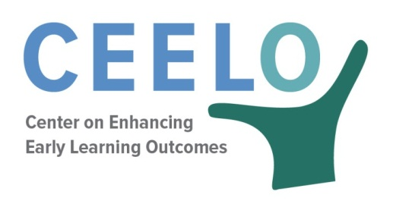

Suggested citation:
Rickus, G., Barnett, W.S. & Nores, M. (2017). Cost of Preschool Quality (CPQ), 2.0 Version. New Brunswick, NJ: Center on Enhancing Early Learning Outcomes.

This tool was produced by the Center on Enhancing Early Learning Outcomes, with funds from the U.S. Department of Education under cooperative agreement number S283B120054. The content does not necessarily reflect the position or policy of the Department of Education, nor does mention or visual representation of trade names, commercial products, or organizations imply endorsement by the federal government.

ABOUT CEELO:
One of 22 Comprehensive Centers funded by the U.S. Department of Education’s Office of Elementary and Secondary Education, the Center on Enhancing Early Learning Outcomes (CEELO) will strengthen the capacity of State Education Agencies (SEAs) to lead sustained improvements in early learning opportunities and outcomes. CEELO will work in partnership with SEAs, state and local early childhood leaders, and other federal and national technical assistance (TA) providers to promote innovation and accountability.

For other CEELO products go to http://ceelo.org/ceelo-products.

This product was generated in partnership with Third Sector Intelligence, Inc.

Third Sector Intelligence (3SI) is a consulting firm specializing in program evaluation, business intelligence and technology services. 3SI focuses on creating a material difference in the work of its clients and the lives of the people they serve. www.team3si.com.

The Center on Enhancing Early Learning Outcomes (CEELO) is a partnership of the following organizations:

